Project 706
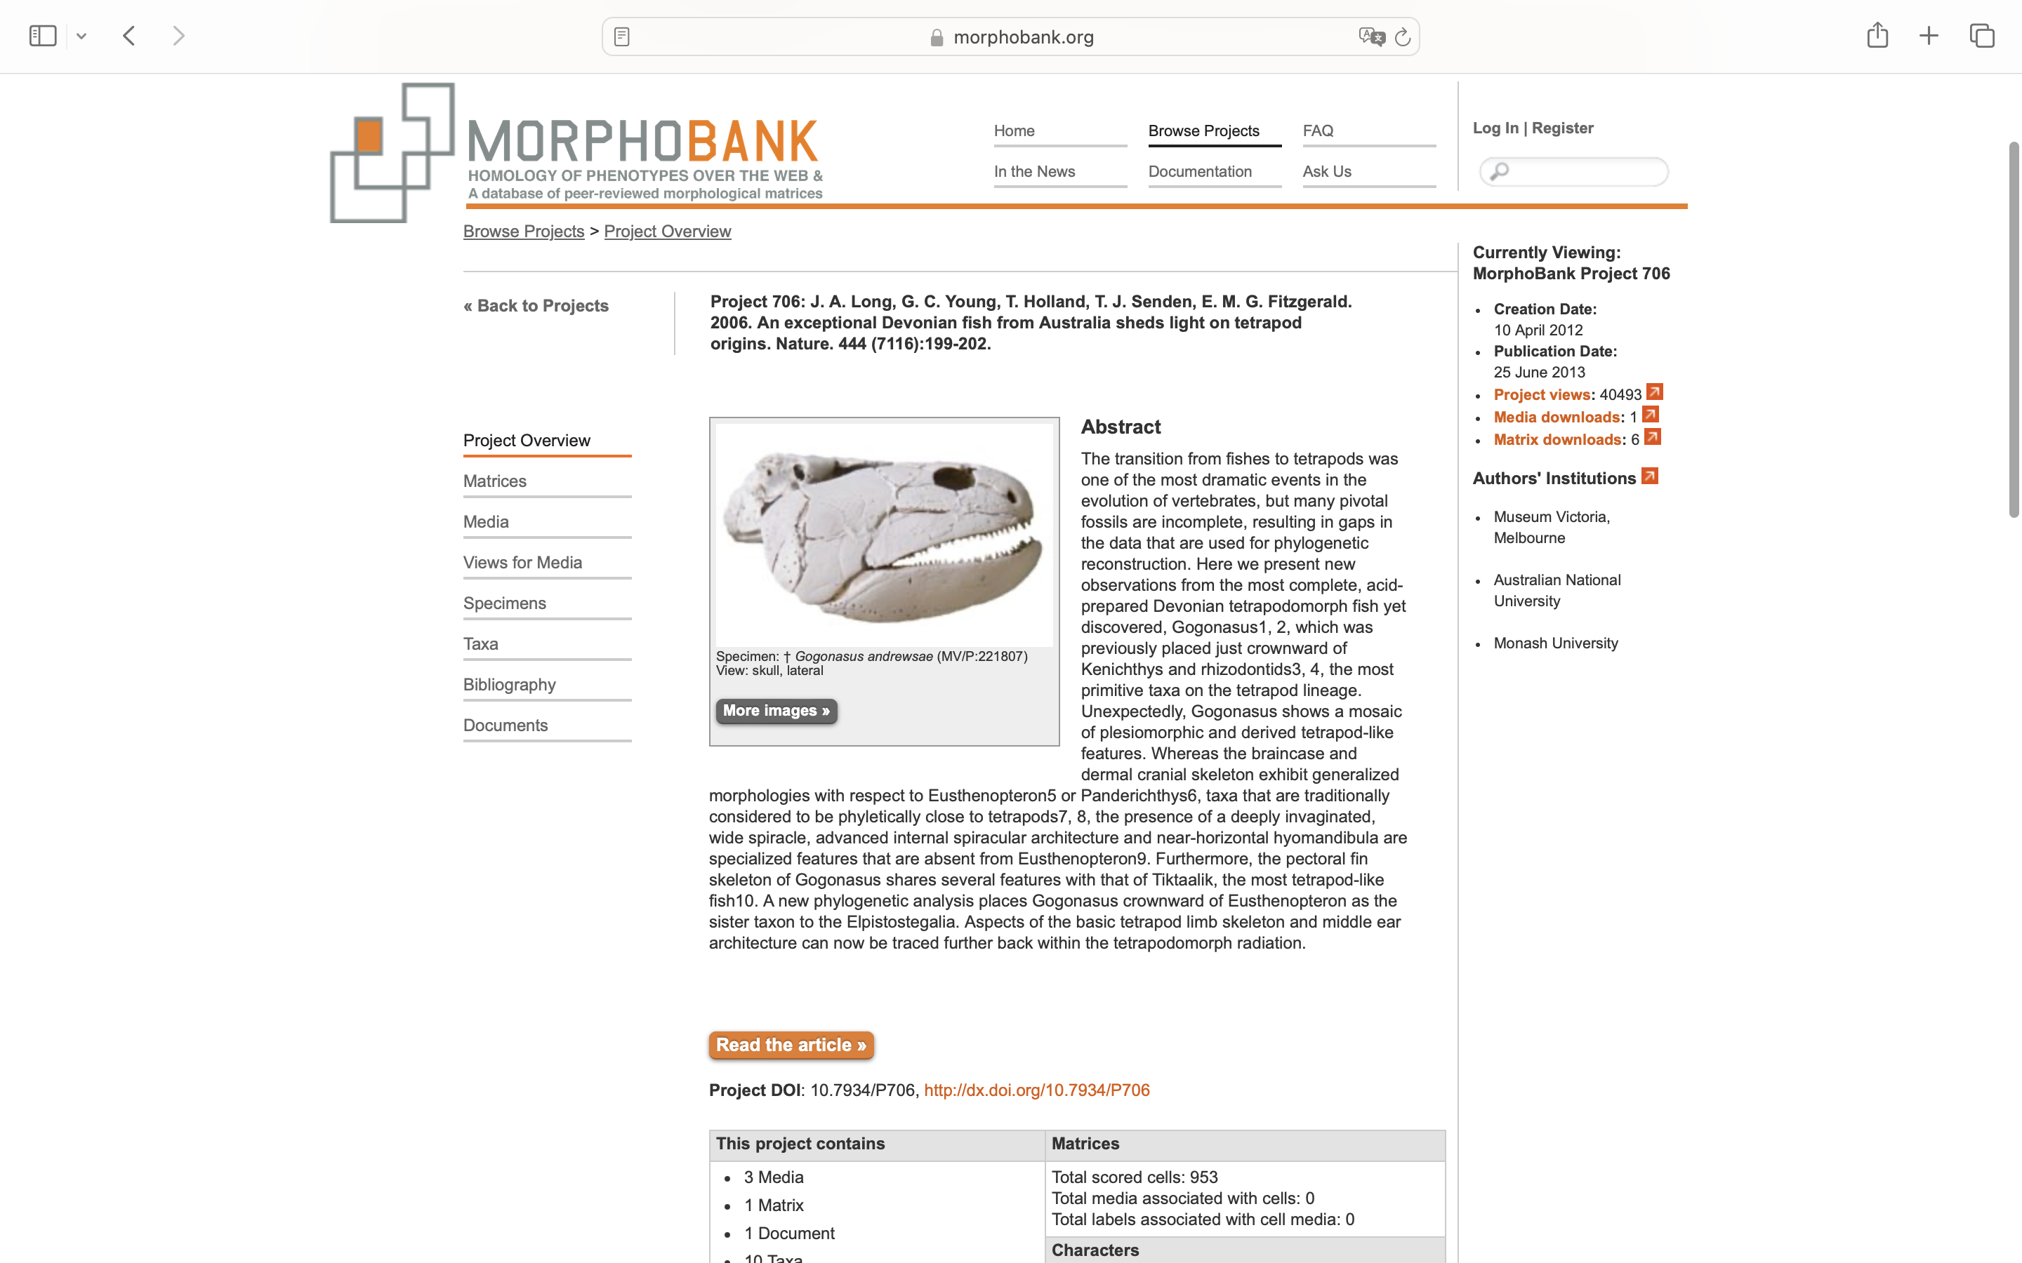
Charlabels | Character Pattern | Unseen States
[1] 'Parasymphysial plate:' | Transformational | YES
[2] 'Anterior end of prearticular:' | Neomorphic | NO
[3] 'Prearticular and angular:' | Transformational | YES
[4] 'Prearticular:' | Transformational | YES
[5] 'Number of coronoids:' | Transformational | YES
[6] 'Coronoid proportions:' | Transformational | NO
[7] 'Dentary tooth row reached symphysis:' | Neomorphic | NO
[8] 'Dentary fang pair:' | Neomorphic | NO
[9] 'Number of fang pairs on posterior coronoid:' | Transformational | YES
[10] 'Tooth infolding:' | NT?;0=0-;1=11;2=12;3=13
[11] 'Number of fang pairs on ectopterygoid:' | Transformational | YES
[12] 'Proportions of entopterygoid:' | Transformational | YES
[13] 'Entopterygoids meeting in midline:' | Neomorphic | NO
[14] 'Posterior process of vomer:' | NT?;0=0-;1=11;2=12
[15] 'Anteromedial process of vomers:' | N;0=0;1=1;2=0
[16] 'Relationship of vomer to parasphenoid:' | Transformational | NO
[17] 'Internasal pits:' | Transformational | YES
[18] 'Posterior end of parashenoid:' | Transformational | NO
[19] 'Enlarged anterior toothe on premaxilla:' | Neomorphic | NO
[20] 'Choana:' | Neomorphic | NO
[21] 'Width of ethmoid relative to length from snout tip to posterior margin of parietals:' | Transformational | NO
[22] 'Extent of crista parotica:' | Transformational | NO
[23] 'Cosmine:' | Neomorphic | NO
[24] 'Pineal foramen:' | Neomorphic | NO
[25] 'Parietals surround pineal foramen/eminence' | Neomorphic | NO
[26] 'Proportions of postparietal shield:' | Transformational | NO
[27] 'Postparietals narrow to a point posteriorly:' | Neomorphic | NO
[28] 'Posterior margin of tabulars:' | Transformational | YES
[29] 'Median postrostral:' | N;0=0;1=1;2=0
[30] 'Number of nasals:' | Transformational | NO
[31] 'Frontals:' | Neomorphic | NO
[32] 'Extratemporal:' | Neomorphic | NO
[33] 'Contact between the extratemporal and supratemporal:' | Neomorphic | NO
[34] 'Supratemporal series:' | Transformational | YES
[35] 'Posterodorsal process of maxilla:' | NT?;0=11;1=12;2=0-
[36] 'Jugal - quadratojugal contact:' | Neomorphic | NO
[37] 'Relationship of jugal to orbit:' | Transformational | NO
[38] 'Position of orbits:' | Transformational | YES
[39] 'Preoperculosubmandibular:' | Neomorphic | NO
[40] 'Subsquamosals:' | Neomorphic | NO
[41] 'Extrascapular overlap:' | Transformational | YES
[42] 'Anterior margin of median extrascapular:' | Transformational | YES
[43] 'Dermal intracranial joint:' | Neomorphic | NO
[44] 'Endoskeletal intracranial joint:' | Neomorphic | NO
[45] 'Basicranial fenestra:' | Neomorphic | NO
[46] 'Contact margin for clavicle on cleithrum:' | Transformational | YES
[47] 'Anocleithrum:' | Transformational | YES
[48] 'Archipterygial pectoral fin:' | Neomorphic | NO
[49] 'Body of humerus:' | Transformational | YES
[50] 'Radials:' | Neomorphic | NO
[51] 'Dorsal and anal fins:' | Neomorphic | NO
[52] 'Caudal fin:' | Transformational | YES
[53] 'Basal scutes:' | Neomorphic | NO
[54] 'Scale morphology:' | Transformational | YES
[55] 'Mesial lamina of splenial:' | Neomorphic | NO
[56] 'Suture between anterior coronoid and splenial:' | Neomorphic | NO
[57] 'Accessory tooth row on dentary:' | Neomorphic | NO
[58] 'Meckelian exposure in precoronoid fossa:' | Neomorphic | NO
[59] 'Mesial parasymphysial foramen:' | Neomorphic | NO
[60] 'Anterior end of anterior coronoid:' | Neomorphic | NO
[61] 'Dermal ornament' | Transformational | YES
[62] 'Coronoid fangs larger than marginal teeth:' | Neomorphic | NO
[63] 'Coronoid fangs mesial to marginal tooth row:' | Neomorphic | NO
[64] 'Palatal fangs mesial to marginal tooth row:' | Neomorphic | NO
[65] 'Subterminal mouth:' | Neomorphic | NO
[66] 'Intertemporal bones:' | Neomorphic | NO
[67] 'Proportion of skull roof (measured as length from tip of snout to posterior margin of postparietals) lying anterior to middle of orbits:' | Transformational | NO
[68] 'Relative size of prefrontal and postfrontal:' | Transformational | YES
[69] 'Extrascapular bones:' | Neomorphic | NO
[70] 'Jugal extends anterior to middle of orbit:' | Neomorphic | NO
[71] 'Lacrimal excluded from orbit:' | Neomorphic | NO
[72] 'Submandibulars and Gulars:' | Neomorphic | NO
[73] 'Large median gular:' | Neomorphic | NO
[74] 'Interclavicle:' | Transformational | YES
[75] 'Contact between postorbital and lacrimal:' | Neomorphic | NO
[76] 'Contact between postfrontal and supratemporal:' | Neomorphic | NO
[77] 'Postfrontals extend anterior of orbits:' | Neomorphic | NO
[78] 'Spiracular notch:' | NT?;0=0-;1=11;2=12;3=13
[79] 'Preopercular:' | Transformational | YES
[80] 'Transverse joint at the level of the ulnare, intermedium and radius:' | Neomorphic | NO
[81] 'Articulations for more than two radials on the ulnare:' | Neomorphic | NO
[82] 'Postaxial process on ulnare:' | Neomorphic | NO
[83] 'Lepidotrichia:' | NT2;0=11;1=12;2=0-
[84] 'Branchial radials distal to the ulnare:' | Neomorphic | NO
[85] 'Shape of radius:' | Transformational | YES
[86] 'Olecranon proces on ulna:' | Neomorphic | NO
[87] 'Anterior termination of ventral ridge:' | Transformational | YES
[88] 'Ventral ridge orientation:' | Transformational | YES
[89] 'Radial facet:' | Transformational | YES
[90] 'ulnar facet:' | Transformational | YES
[91] 'Ectepicondylar process:' | Transformational | YES
[92] 'Radial length:' | Transformational | NO
[93] 'Area proximal to radial facet:' | Transformational | YES
[94] 'Coracoid plate:' | Neomorphic | NO
[95] 'Glenoid position:' | Transformational | YES
[96] 'Orientation of cleithrum:' | Transformational | NO
[97] 'Cleithral ornamentation' | Neomorphic | NO
[98] 'Anocleithral ornamentation:' | Neomorphic | NO
[99] 'Attachment of scapulocorocoid to cleithrum:' | Transformational | YES
[100] 'Subscapular fossa:' | Neomorphic | NO
[101] 'Glenoid orientation:' | Transformational | YES
[102] 'Opercular:' | Neomorphic | NO
[103] 'Caput humeri:' | Transformational | YES
[104] 'Expanded ribs:' | Neomorphic | NO
[105] 'Imbricate ribs:' | Neomorphic | NO
[106] 'Intermedium shape' | Transformational | YES
[107] 'Entepicondyle size' | Transformational | YES
[108] 'Radius shape' | Transformational | YES
[109] 'Termination of radius' | Transformational | NO
[110] 'hyomandibular shape' | Transformational | YES
[111] 'Basibranchial shape' | Transformational | YES
[112] 'Hyomandibular facets' | Transformational | YES
[113] 'Nare' | Transformational | YES
[114] 'lateral rostral' | Transformational | YES

